Sheet1
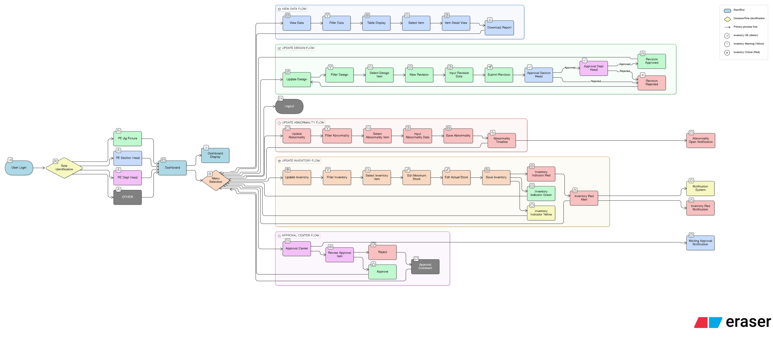
DRAFT DIGITALISASI JIG FIXTURE MANAGEMENT
BY :
AZKA AT - TAQIY (3754)
PE MACHINING SECT.
PROCESS ENGINEERING DEPT.

DETAIL KETERANGAN

VIEW DATA
D. Vendor & Cost History
Vendor Name
PO Number
Lead Time
Cost
Date
Cost Trend Record
E. Inventory Status
Spare Part List
Minimum Stock
Actual Stock
Indicator:
Green → Actual ≥ Minimum
Yellow → 50%–99%
Red → < 50%
F. Abnormality History
Abnormality ID
Date Found
Found By
Problem Description
Root Cause
Temporary Action
Corrective Action
Action PIC
Status (Open / Closed)
Linked Revision (Yes/No)
DOWNLOAD FEATURE
Setelah filter:
User pilih kolom yang ingin ditampilkan
↓
Klik Download
↓ Export:
- Excel (.xlsx)
- PDF
DETAIL FILTER :
Filter By:
- Production Line
- Proses
- Type (JF / EQ)
- Nomor Registrasi ID
- Vendor
- Lifecycle Status
- Revision Status
- Inventory Status (Green/Yellow/Red)
- Abnormality Status (Open/Closed)
Detail yang ditampilkan
pada View Data :
A. General Info
Unique ID
Line
OP
Type
Registration No
Item / Assy No
Lifecycle Status
B. Design Information
Latest Revision
Revision Date
Designer
Approval Status
Download 2D (PDF)
Download 3D
C. Revision History
Rev Number
Date
Change Reason
Vendor
Cost
Approved By

UPDATE DESIGN
DETAIL FILTER :
Filter By:
- Production Line
- OP Number
- Type (JF / EQ)
- Nomor Registrasi ID
Input:
- Revision Number (auto/increment)
- Upload Drawing 2D
- Upload 3D Model
- Change Reason
- Vendor
- PO Number
- Cost
Input yang diisi :

UPDATE
ABNORMALITY
DETAIL FILTER :
Filter By:
- Production Line
- OP Number
- Type (JF / EQ)
- Nomor Registrasi ID
Input Abnormality:
- Abnormality ID (auto generate)
- Date Found
- Found By
- Problem Description
- Root Cause
- Temporary Action
- Corrective Action
- Action PIC
- Status (Open / Monitoring / Closed)
- Link to Revision? (Yes/No)
- Link to Spare Replacement? (Yes/No)
Input yang diisi :

UPDATE INVENTORY
& CONSUMABLE
DETAIL FILTER :
Filter By:
- Production Line
- OP Number
- Type (JF / EQ)
- Nomor Registrasi ID
Input:
- Minimum Stock (editable by PIC)
- Actual Stock (updateable)
System Auto Calculate Indicator:
- Green (Actual ≥ Minimum)
- Yellow (50%–99%)
- Red (50%)
Input yang diisi :

APPROVAL
CENTER
DATA TER-LINK SETELAH PIC JIG FIXTURE UPLOAD UPDATE DESIGN
AKUN APPROVAL MENAMPILKAN DATA YANG DIHASILKAN DARI PORTAL UPDATE DESIGN DARI AKUN JIG FIXTURE
OUTPUT :
Approve / Reject + Comment

ROLE ACCOUNT

TAMBAHAN :
LIFECYCLE STATUS
SYSTEM
Setiap JF/EQ punya status:
Active
Under Repair
Under Improvement
Obsolete
Scrap
NOTIFICATION
SYSTEM
Dashboard alert jika:
Inventory Red
Abnormality Open > X hari
Waiting Approval
Cost meningkat > % tertentu (optional future

